PUMA SNEAKERS
PUMA SNEAKERS
PHOTOS | SKU | CAT | GENDER | SIZES UK | STYLE | COLOR | COMPO | QTY | RETAIL | TOTAL | EAN | MADE IN | HS CODES
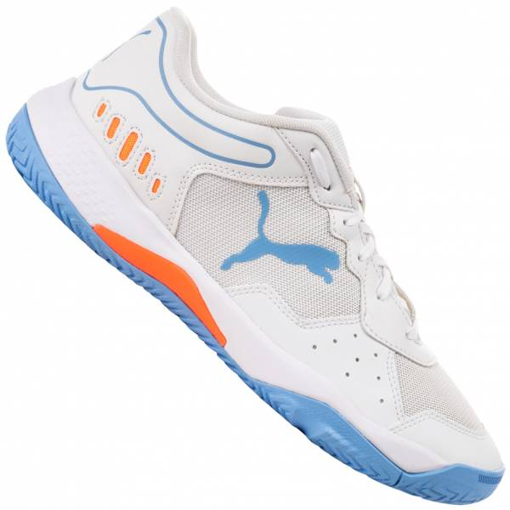 | 107297-02 | Shoes - Lifestyle | Men | 9 | PUMA (5) SOLARSMASH RCT | WHITE/BLACK/LIGHT BLUE | TEXTILES, OTHER MATERIALS, RUBBER | 377 | 75.00 € | 28,275.00 € | 4065452697709 | KH | 6404110000
 |  |  |  | 3.5 |  |  |  | 1 | 75.00 € | 75.00 € | 4065452697471
 |  |  |  | 8.5 |  |  |  | 139 | 75.00 € | 10,425.00 € | 4065452697686
 |  |  |  | 11 |  |  |  | 45 | 75.00 € | 3,375.00 € | 4065452697761
 |  |  |  | 7.5 |  |  |  | 237 | 75.00 € | 17,775.00 € | 4065452697655
 |  |  |  | 9.5 |  |  |  | 224 | 75.00 € | 16,800.00 € | 4065452697723
 |  |  |  | 7 |  |  |  | 59 | 75.00 € | 4,425.00 € | 4065452697624
 |  |  |  | 11.5 |  |  |  | 28 | 75.00 € | 2,100.00 € | 4065452697785
 |  |  |  | 10.5 |  |  |  | 133 | 75.00 € | 9,975.00 € | 4065452697747
 |  |  |  | 8 |  |  |  | 336 | 75.00 € | 25,200.00 € | 4065452697679
 |  |  |  | 12 |  |  |  | 31 | 75.00 € | 2,325.00 € | 4065452697396
 |  |  |  | 6.5 |  |  |  | 114 | 75.00 € | 8,550.00 € | 4065452697594
 |  |  |  | 10 |  |  |  | 122 | 75.00 € | 9,150.00 € | 4065452697730
 |  |  |  | 6 |  |  |  | 70 | 75.00 € | 5,250.00 € | 4065452697563
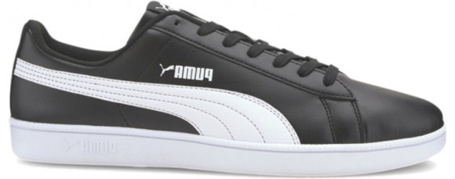 | 372605-01 | Shoes - Lifestyle | Men | 10.5 | PUMA (5) UP | WHITE/BLACK | TEXTILES, OTHER MATERIALS, RUBBER | 506 | 75.00 € | 37,950.00 € | 4062451578091 | CN | 6404110000
 |  |  |  | 9.5 |  |  |  | 573 | 75.00 € | 42,975.00 € | 4062451578893
 |  |  |  | 3.5 |  |  |  | 1 | 75.00 € | 75.00 € | 4062451578411
 |  |  |  | 6.5 |  |  |  | 3 | 75.00 € | 225.00 € | 4062451578688
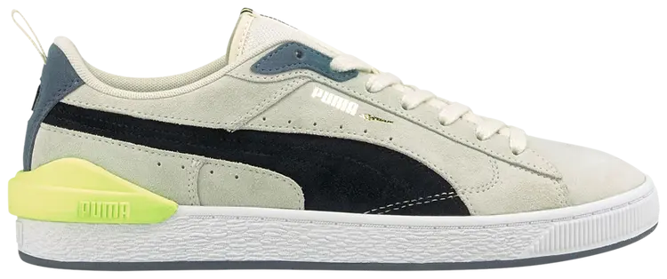 | 381183-01 | Shoes - Lifestyle | Men | 7.5 | PUMA (5) Suede Bloc | IVORY/BLACK | LEATHER, TEXTILES, RUBBER | 299 | 100.00 € | 29,900.00 € | 4063699859713 | VN | 6403999390
 |  |  |  | 9 |  |  |  | 53 | 100.00 € | 5,300.00 € | 4063699859744
 |  |  |  | 8.5 |  |  |  | 13 | 100.00 € | 1,300.00 € | 4063699859683
 |  |  |  | 9.5 |  |  |  | 1 | 100.00 € | 100.00 € | 4063699859782
 |  |  |  | 10 |  |  |  | 7 | 100.00 € | 700.00 € | 4063699859751
 |  |  |  | 8 |  |  |  | 39 | 100.00 € | 3,900.00 € | 4063699859836
 |  |  |  | 7 |  |  |  | 178 | 100.00 € | 17,800.00 € | 4063699859829
 |  |  |  | 6 |  |  |  | 110 | 100.00 € | 11,000.00 € | 4063699859799
 |  |  |  | 6.5 |  |  |  | 64 | 100.00 € | 6,400.00 € | 4063699859676
 |  |  |  | 11 |  |  |  | 139 | 100.00 € | 13,900.00 € | 4063699859812
 |  |  |  | 12 |  |  |  | 33 | 100.00 € | 3,300.00 € | 4063699859706
 |  |  |  | 4 |  |  |  | 1 | 100.00 € | 100.00 € | 4063699859652
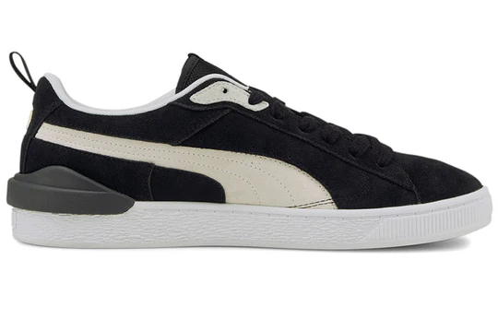 | 381183-02 | Shoes - Lifestyle | Men | 8.5 | PUMA (5) Suede Bloc | BLACK | LEATHER, TEXTILES, RUBBER | 97 | 100.00 € | 9,700.00 € | 4063699857566 | CN | 6403999390
 |  |  |  | 6 |  |  |  | 35 | 100.00 € | 3,500.00 € | 4063699857481
 |  |  |  | 6.5 |  |  |  | 19 | 100.00 € | 1,900.00 € | 4063699857559
 |  |  |  | 10 |  |  |  | 91 | 100.00 € | 9,100.00 € | 4063699857443
 |  |  |  | 9.5 |  |  |  | 86 | 100.00 € | 8,600.00 € | 4063699857474
 |  |  |  | 7 |  |  |  | 58 | 100.00 € | 5,800.00 € | 4063699857511
 |  |  |  | 8 |  |  |  | 105 | 100.00 € | 10,500.00 € | 4063699857528
 |  |  |  | 7.5 |  |  |  | 90 | 100.00 € | 9,000.00 € | 4063699857405
 |  |  |  | 9 |  |  |  | 104 | 100.00 € | 10,400.00 € | 4063699857436
 |  |  |  | 11 |  |  |  | 33 | 100.00 € | 3,300.00 € | 4063699857504
 |  |  |  | 5 |  |  |  | 1 | 100.00 € | 100.00 € | 4063699857542
 |  |  |  | 10.5 |  |  |  | 2 | 100.00 € | 200.00 € | 4063699857498
 |  |  |  | 12 |  |  |  | 5 | 100.00 € | 500.00 € | 4063699857399
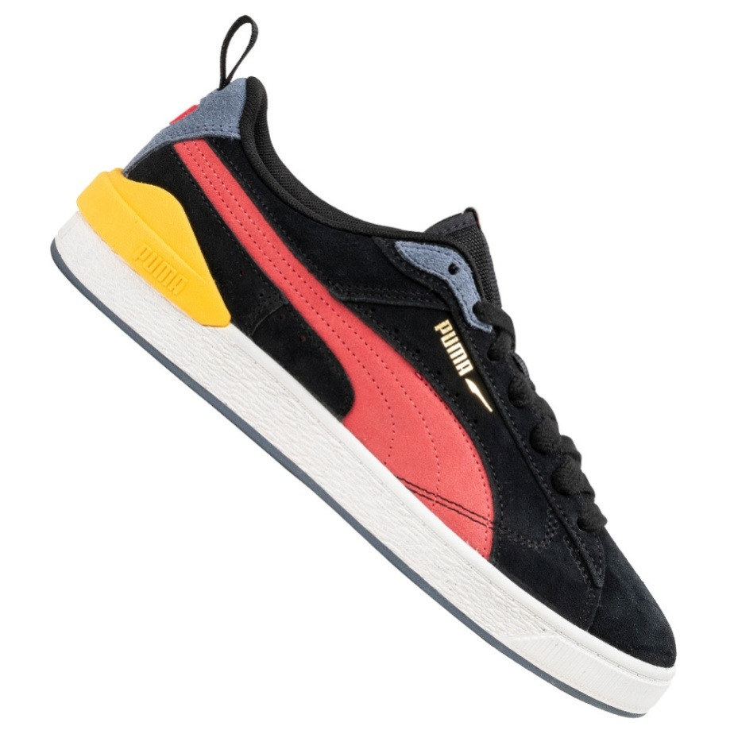 | 381183-03 | Shoes - Lifestyle | Men | 9.5 | PUMA (5) Suede Bloc | BLACK/PINK | LEATHER, TEXTILES, RUBBER | 249 | 100.00 € | 24,900.00 € | 4063699916706 | CN | 6403999390
 |  |  |  | 11 |  |  |  | 109 | 100.00 € | 10,900.00 € | 4063699916737
 |  |  |  | 7 |  |  |  | 168 | 100.00 € | 16,800.00 € | 4063699916652
 |  |  |  | 6 |  |  |  | 100 | 100.00 € | 10,000.00 € | 4063699916638
 |  |  |  | 6.5 |  |  |  | 59 | 100.00 € | 5,900.00 € | 4063699916645
 |  |  |  | 12 |  |  |  | 28 | 100.00 € | 2,800.00 € | 4063699916744
 |  |  |  | 7.5 |  |  |  | 263 | 100.00 € | 26,300.00 € | 4063699916669
 |  |  |  | 8 |  |  |  | 304 | 100.00 € | 30,400.00 € | 4063699916676
 |  |  |  | 8.5 |  |  |  | 267 | 100.00 € | 26,700.00 € | 4063699916683
 |  |  |  | 9 |  |  |  | 323 | 100.00 € | 32,300.00 € | 4063699916690
 |  |  |  | 10 |  |  |  | 254 | 100.00 € | 25,400.00 € | 4063699916713
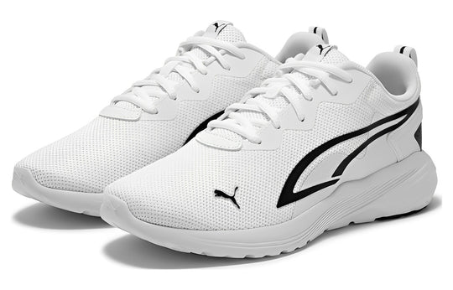 | 386269-04 | Shoes - Lifestyle | Men | 8.5 | PUMA (12) All-Day Active | WHITE/BLACK | TEXTILES, RUBBER | 402 | 75.00 € | 30,150.00 € | 4065449965613 | CN | 6404199000
 |  |  |  | 8 |  |  |  | 14 | 75.00 € | 1,050.00 € | 4065449965606
 |  |  |  | 10.5 |  |  |  | 6 | 75.00 € | 450.00 € | 4065449965651
 |  |  |  | 7.5 |  |  |  | 12 | 75.00 € | 900.00 € | 4065449965590
 |  |  |  | 9.5 |  |  |  | 10 | 75.00 € | 750.00 € | 4065449965637
 |  |  |  | 9 |  |  |  | 13 | 75.00 € | 975.00 € | 4065449965620
TOTAL PUMA SNEAKERS |  |  |  |  |  |  |  | 7,243 | 88.07 € | 637,900.00 €

